Sheet1
 |  | Document No. | Issue No. | Issue Date |  | Review and Replace Date |  | Authorised By
 |  | GFF199MC | 5 | 14.09.2020 |  | 08.03.2024 |  | Magda Shah
 |  | Document Title | ONION BHAJI 160g

Document amendments reason for change |  | Tray Changed | Page 1 of 1 |  | Previous Issue Date |  | 27.10.2022 | Uncontrolled copy unless signed original

COBH3C-R6TEB | BOOTHS |  | ONION BHAJI 160g

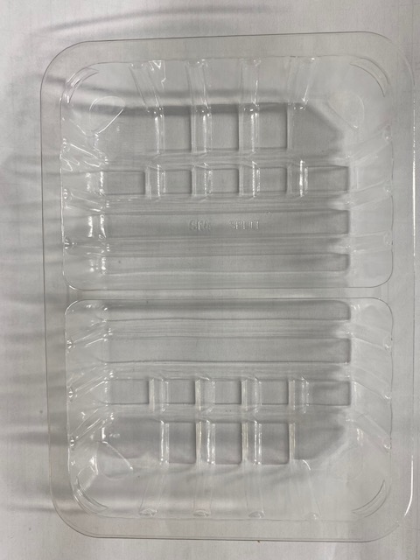 |  |  |  |  | 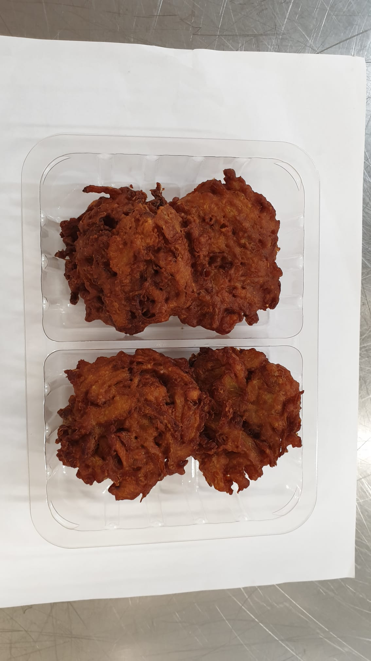

Tray: SK4 Split Clear (PKESS001-06) |  |  |  |  | Onion Bhaji (GFF121R) 40g: 4 pieces
Film: K-peel 7G+25A/f-275mm (PKKMP001-03) |  |  |  |  | Total Weight: 160g
ALLERGY ALERT: NONE

